Form responses 1
Timestamp | Name (Optional) | Gender | Marital status | Age | Educational Qualification | Occupation | Monthly Income | Are you aware of eco-friendly (green) products? | What do you understand by eco-friendly products? [Instruction: You can select more than one option] | Eco-friendly products are those that are environmentally safe, recyclable, and reduce harm to nature. Were you aware of this meaning? | How did you learn about eco-friendly products? | How often do you notice eco-friendly advertisements? | Do you know what eco-labels or certifications mean? | Do eco-friendly advertisements influence your purchase decisions? | How important are eco-labels to you when buying a product? | Brand image (eco-friendly reputation) affects my choice | Are you more likely to trust brands that promote sustainability? | I mostly prefer products with recyclable or eco-friendly packaging | Social media influences my perception of eco-friendly products | Which factors influence you the most while buying eco-friendly products? [Instruction: You can select more than one option] | Are eco-friendly products affordable for you? | Are you willing to pay a higher price for eco-friendly products? | Do you think eco-friendly products are of better quality compared to regular products? | Do you trust the claims made by companies about being eco-friendly? | How often do you purchase eco-friendly products? | Give suggestions to improve eco friendly marketing strategies, if any:
3/18/2026 | Sindhu priya | Female | Unmarried | Below 18 | Post Graduation and above | Student | Below ₹20,000 | Yes | Products that do not harm the environment | Yes | Educational Institutions | Always | Yes | Yes | Very Important | Strongly Agree | No | Strongly Agree | Strongly Agree | Quality, Environmental concern | Yes | Yes | Yes | No | Sometimes
3/20/2026 | Gayathri | Female | Unmarried | 18-25 | Intermediate | Student | Below ₹20,000 | Yes | Products that do not harm the environment, Products with recyclable materials, Products of Good Quality | Yes | Social Media | Always | Yes | Yes | Very Important | Strongly Agree | Yes | Strongly Agree | Strongly Agree | Price, Quality, Environmental concern | Sometimes | Yes | Yes | Not sure | Often
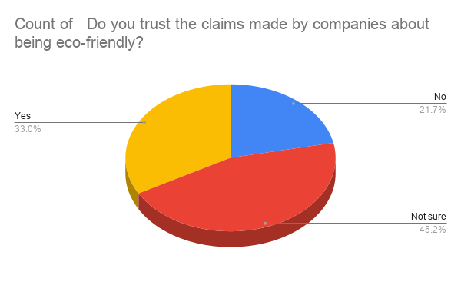
3/23/2026 | gayathri | Female | Unmarried | 18-25 | Intermediate | Student | Below ₹20,000 | Yes | Products that do not harm the environment, Products with recyclable materials, Products of Good Quality | Yes | Social Media | Always | Yes | Yes | Very Important | Strongly Agree | Yes | Strongly Agree | Strongly Agree | Price, Quality, Environmental concern | Sometimes | Yes | Yes | Not sure | Often
3/24/2026 | Madhumitha | Female | Unmarried | 18-25 | Graduation | Student | Below ₹20,000 | No | Products that do not harm the environment, Products with recyclable materials, Products of Good Quality | Yes | Educational Institutions | Sometimes | No | Yes | Neutral | Strongly Agree | Yes | Strongly Agree | Agree | Quality, Availability, Environmental concern | Sometimes | Maybe | Not Sure | Yes | Sometimes
3/24/2026 |  | Female | Unmarried | 18-25 | Graduation | Student | Below ₹20,000 | Yes | Products that do not harm the environment, Products with recyclable materials | Yes | Social Media | Often | Yes | Yes | Very Important | Strongly Agree | Yes | Strongly Agree | Strongly Agree | Price, Quality, Environmental concern | No | Maybe | Yes | Not sure | Often
3/24/2026 |  | Female | Unmarried | 18-25 | Graduation | Student | Below ₹20,000 | Yes | Products that do not harm the environment | Yes | Social Media | Sometimes | Yes | Yes | Neutral | Neutral | Yes | Neutral | Agree | Price, Brand | Sometimes | Maybe | Yes | No | Often
3/24/2026 |  | Female | Unmarried | 18-25 | Graduation | Student | ₹20,000–₹50,000 | Yes | Products that do not harm the environment, Products with recyclable materials | Yes | Social Media | Often | No | Yes | Very Important | Agree | Yes | Strongly Agree | Agree | Quality | Sometimes | Maybe | Yes | Not sure | Often | Adopt product Innovation and sustainable packaging
3/24/2026 |  | Female | Unmarried | 18-25 | Graduation | Student | Below ₹20,000 | Yes | Products that do not harm the environment, Products with recyclable materials | Yes | Social Media | Always | Yes | Yes | Important | Agree | Yes | Strongly Agree | Agree | Price, Quality, Environmental concern | No | Maybe | Yes | Not sure | Often
3/24/2026 | Shashwat Pandey | Male | Unmarried | 18-25 | Graduation | Student | Below ₹20,000 | Yes | Products that do not harm the environment, Products with recyclable materials | Yes | Educational Institutions | Rarely | Yes | Yes | Very Important | Agree | Yes | Agree | Agree | Price, Quality, Environmental concern | Sometimes | Yes | Not Sure | No | Sometimes
3/24/2026 |  | Male | Unmarried | 18-25 | Graduation | Student | Below ₹20,000 | No | Products that do not harm the environment | Yes | Educational Institutions | Sometimes | No | Yes | Very Important | Neutral | No | Agree | Agree | Environmental concern | Yes | Maybe | Not Sure | Not sure | Sometimes | Make sure that to maintain good quality and reasonable cost
3/24/2026 | Bhavya | Female | Unmarried | 18-25 | Graduation | Student | Below ₹20,000 | Yes | Products that do not harm the environment | Yes | Social Media | Rarely | Yes | No | Important | Neutral | Yes | Neutral | Agree | Quality | Yes | Yes | No | Yes | Sometimes | Use recyclable or biodegradable packaging. Promote products through digital marketing instead of paper ads. Highlight eco-friendly features honestly to build trust. Offer discounts or rewards for customers who follow sustainable practices.
3/24/2026 | Yamba Sunil | Male | Married | 25-30 | Graduation | Business | ₹20,000–₹50,000 | Yes | Products that do not harm the environment, Products with recyclable materials, Products of Good Quality | Yes | Social Media | Always | Yes | Yes | Very Important | Strongly Agree | Yes | Strongly Agree | Agree | Environmental concern | Sometimes | Maybe | Not Sure | Yes | Sometimes | Better to educate to people and branding the products and always focus on social platforms to build the confidence
3/24/2026 | Manasa | Female | Married | 18-25 | Intermediate | Homemaker | ₹20,000–₹50,000 | Yes | Products that do not harm the environment | Yes | Educational Institutions | Always | Yes | No | Very Important | Agree | Yes | Agree | Strongly Agree | Environmental concern | Sometimes | Yes | Yes | Not sure | Sometimes
3/24/2026 | Sahil Singh | Male | Unmarried | 18-25 | Graduation | Student | ₹20,000–₹50,000 | Maybe | Products that do not harm the environment | Yes | Friends/Family | Often | Yes | Yes | Important | Agree | Yes | Agree | Agree | Brand | Yes | Yes | Yes | Yes | Often
3/24/2026 | Sindhu priya | Female | Unmarried | 18-25 | Graduation | Student | Below ₹20,000 | Yes | Products that do not harm the environment, Products with recyclable materials, Products of Good Quality | Yes | Educational Institutions | Always | No | Yes | Very Important | Strongly Agree | Yes | Agree | Neutral | Price, Quality, Brand, Availability, Environmental concern | Yes | Maybe | Yes | Yes | Always | Avoid wastage of food
3/24/2026 |  | Female | Unmarried | 18-25 | Graduation | Student | Below ₹20,000 | Yes | Products that do not harm the environment, Products with recyclable materials | Yes | Social Media | Rarely | Yes | Yes | Important | Agree | No | Agree | Agree | Environmental concern | Yes | Yes | Yes | No | Often | Set up recycling collection points
3/24/2026 | G saikiran reddy | Male | Unmarried | 25-30 | Graduation | Business | Above ₹1,00,000 | Yes | Products that do not harm the environment, Products with recyclable materials | Yes | Educational Institutions | Always | Yes | Yes | Very Important | Disagree | Yes | Strongly Agree | Agree | Quality, Availability, Environmental concern | Yes | Yes | Yes | Yes | Often
3/24/2026 | Krushnaveni | Female | Unmarried | 18-25 | Graduation | Student | Below ₹20,000 | Yes | Products that do not harm the environment | Yes | Social Media | Always | Yes | Yes | Very Important | Strongly Agree | Yes | Strongly Agree | Strongly Agree | Price | Yes | Yes | Yes | Yes | Always | Nothing
3/24/2026 |  | Female | Unmarried | 18-25 | Graduation | Student | Below ₹20,000 | Yes | Products that do not harm the environment | Yes | Social Media | Sometimes | Yes | Yes | Neutral | Neutral | Yes | Agree | Neutral | Environmental concern | Yes | No | Yes | Not sure | Rarely
3/24/2026 | Kishore Reddy | Male | Unmarried | 18-25 | Graduation | Student | Below ₹20,000 | No | Products that do not harm the environment, Products with recyclable materials, Products of good quality | Yes | Friends/Family | Sometimes | No | No | Important | Neutral | No | Agree | Neutral | Quality | Yes | Maybe | Not Sure | Not sure | Sometimes | Usage of food
3/24/2026 |  | Female | Married | 18-25 | Post Graduation and above | Student | Below ₹20,000 | Yes | Products that do not harm the environment, Products with recyclable materials, Products of Good Quality | Yes | Advertisements | Never | Yes | Yes | Very Important | Neutral | Yes | Agree | Agree | Price, Quality, Brand, Environmental concern | Sometimes | Maybe | Yes | Not sure | Sometimes
3/24/2026 | Ch Jashwanth | Male | Unmarried | 18-25 | Graduation | Student | Below ₹20,000 | Yes | Products that do not harm the environment | Yes | Social Media | Always | Yes | Yes | Very Important | Strongly Agree | Yes | Strongly Agree | Strongly Agree | Price | Yes | Yes | Yes | Yes | Always
3/24/2026 | Sravanthi | Female | Unmarried | 18-25 | Graduation | Student | Below ₹20,000 | Yes | Products that do not harm the environment, Products with recyclable materials | Yes | Educational Institutions | Often | Yes | Yes | Neutral | Agree | Yes | Agree | Agree | Brand, Environmental concern | Sometimes | Maybe | Yes | Not sure | Sometimes
3/24/2026 |  | Female | Unmarried | 18-25 | Graduation | Student | Below ₹20,000 | Yes | Products that do not harm the environment, Products with recyclable materials | Yes | Advertisements | Sometimes | No | Yes | Important | Strongly Agree | Yes | Agree | Agree | Price, Quality, Brand, Availability, Environmental concern | Sometimes | Maybe | Not Sure | Not sure | Sometimes
3/24/2026 | K Prashanth Reddy | Male | Married | 30-40 | Graduation | Private Sector Employee | ₹20,000–₹50,000 | Yes | Products that do not harm the environment | Yes | Social Media | Sometimes | No | Yes | Important | Agree | Yes | Strongly Agree | Strongly Agree | Price | Sometimes | No | Yes | Yes | Always
3/24/2026 | CHIRRA AKSHAYA | Female | Unmarried | 18-25 | Graduation | Student | ₹50,000–₹1,00,000 | No | Products that do not harm the environment | Yes | Social Media | Rarely | No | No | Very Important | Neutral | Yes | Strongly Agree | Agree | Environmental concern | Sometimes | No | Yes | Not sure | Always
3/24/2026 | Sweety | Female | Unmarried | 18-25 | Graduation | Student | ₹20,000–₹50,000 | No | Products that are expensive | Yes | Advertisements | Sometimes | No | Yes | Important | Agree | Yes | Neutral | Strongly Agree | Price, Quality, Brand | Sometimes | Maybe | Not Sure | No | Often
3/24/2026 | Rajitha | Female | Unmarried | 18-25 | Graduation | Student | Below ₹20,000 | Yes | Products of good quality | Yes | Social Media | Sometimes | No | Yes | Neutral | Neutral | Yes | Neutral | Neutral | Brand, Availability | Yes | Yes | Yes | No | Sometimes
3/24/2026 | Thota.Gangothri | Female | Unmarried | 18-25 | Graduation | Student | Below ₹20,000 | Yes | Products that do not harm the environment | Yes | Social Media | Always | No | Yes | Important | Agree | Yes | Agree | Agree | Price | Yes | Yes | Yes | Yes | Often
3/24/2026 | Arshmeet Singh | Male | Unmarried | 18-25 | Upto SSC | Student | Below ₹20,000 | No | Products that do not harm the environment | Yes | Friends/Family | Often | No | Yes | Neutral | Agree | Yes | Agree | Agree | Quality | Yes | Yes | Yes | Not sure | Often
3/24/2026 |  | Male | Unmarried | 18-25 | Graduation | Student | Below ₹20,000 | Yes | Products that do not harm the environment, Products with recyclable materials | Yes | Educational Institutions | Sometimes | Yes | Yes | Neutral | Agree | No | Neutral | DIsagree | Environmental concern | Sometimes | Maybe | Not Sure | Yes | Sometimes
3/24/2026 | Naina Singh | Female | Unmarried | 18-25 | Upto SSC | Student | Below ₹20,000 | Yes | Products that do not harm the environment, Products with recyclable materials | Yes | Educational Institutions | Sometimes | No | Yes | Neutral | Neutral | Yes | Neutral | Agree | Price, Quality, Availability | Sometimes | Maybe | Not Sure | Not sure | Rarely | influence people to do whats sustainable rather than ideal
3/24/2026 | Shakitha | Female | Unmarried | 18-25 | Graduation | Private Sector Employee | ₹20,000–₹50,000 | Yes | Products that do not harm the environment | Yes | Educational Institutions | Always | Yes | Yes | Very Important | Strongly Agree | Yes | Strongly Agree | Strongly Agree | Environmental concern | Yes | Yes | Yes | Yes | Always
3/24/2026 |  | Male | Unmarried | 18-25 | Graduation | Private Sector Employee | ₹20,000–₹50,000 | Yes | Products that do not harm the environment, Products with recyclable materials | Yes | Educational Institutions | Sometimes | Yes | Yes | Very Important | Strongly Agree | Yes | Strongly Agree | Strongly Agree | Quality | Yes | No | Yes | Not sure | Often | Advertisements has to come frequently
3/24/2026 | Varsha | Female | Unmarried | 18-25 | Graduation | Student | Below ₹20,000 | Yes | Products that do not harm the environment, Products with recyclable materials, Products of good quality | Yes | Social Media | Sometimes | No | Yes | Neutral | Neutral | Yes | Neutral | Neutral | Price | Sometimes | Maybe | Not Sure | Not sure | Rarely
3/24/2026 | Komal | Female | Married | 40-50 | Post Graduation and above | Public Sector Employee | ₹50,000–₹1,00,000 | Yes | Products that do not harm the environment | Yes | Social Media | Sometimes | No | Yes | Very Important | Strongly Agree | Yes | Neutral | Agree | Price, Quality, Brand, Availability, Environmental concern | Sometimes | Maybe | Yes | No | Sometimes | Be true to your promises
3/24/2026 | Nuha for | Female | Unmarried | 18-25 | Graduation | Student | ₹50,000–₹1,00,000 | Yes | Products that do not harm the environment, Products with recyclable materials, Products of good quality | Yes | Educational Institutions | Often | Yes | No | Neutral | Agree | Yes | Neutral | Agree | Price, Quality, Brand, Availability, Environmental concern | No | No | Yes | Not sure | Sometimes
3/24/2026 | N.Likhitha | Female | Unmarried | 18-25 | Intermediate | Student | Below ₹20,000 | Yes | Products that do not harm the environment, Products with recyclable materials | Yes | Educational Institutions | Sometimes | Yes | Yes | Important | Disagree | Yes | Agree | DIsagree | Price, Quality, Availability, Environmental concern | Sometimes | Maybe | Not Sure | Not sure | Sometimes
3/24/2026 |  | Female | Unmarried | 18-25 | Graduation | Student | Below ₹20,000 | Yes | Products that do not harm the environment, Products with recyclable materials, Products of good quality | Yes | Friends/Family | Rarely | No | No | Neutral | Neutral | Yes | Agree | Neutral | Quality, Environmental concern | Sometimes | Maybe | Yes | Not sure | Sometimes
3/24/2026 | K Roopa | Female | Married | 30-40 | Intermediate | Homemaker | Below ₹20,000 | Yes | Products that do not harm the environment | Yes | Social Media | Sometimes | No | Yes | Important | Strongly Agree | Yes | Agree | Agree | Quality | Yes | Yes | Yes | Yes | Sometimes
3/24/2026 | CHINTHALAPELLY TRISHA | Female | Unmarried | 18-25 | Graduation | Student | Above ₹1,00,000 | Yes | Products that do not harm the environment | Yes | Social Media | Often | No | Yes | Very Important | Strongly Agree | Yes | Agree | Agree | Price | No | Yes | Yes | No | Sometimes
3/24/2026 | yojitha | Female | Unmarried | 18-25 | Intermediate | Student | Below ₹20,000 | Yes | Products that do not harm the environment | Yes | Educational Institutions | Often | No | Yes | Important | Agree | Yes | Agree | Agree | Price, Quality | No | Maybe | No | Not sure | Often
3/24/2026 | Manu | Female | Unmarried | Below 18 | Intermediate | Student | Below ₹20,000 | Yes | Products that do not harm the environment, Products with recyclable materials | Yes | Advertisements | Often | No | Yes | Important | Agree | Yes | Agree | Agree | Price, Quality | Sometimes | Maybe | Yes | Not sure | Often
3/24/2026 | Jahnavi | Female | Divorced | 18-25 | Graduation | Student | Below ₹20,000 | Yes | Products that do not harm the environment | Yes | Friends/Family | Sometimes | Yes | No | Important | Agree | No | Neutral | Agree | Quality | No | Maybe | No | No | Often | -
3/24/2026 |  | Female | Unmarried | 18-25 | Graduation | Student | Below ₹20,000 | Yes | Products that do not harm the environment, Products with recyclable materials | Yes | Social Media | Sometimes | No | Yes | Important | Agree | Yes | Agree | Agree | Price, Quality, Environmental concern | Sometimes | Maybe | Yes | Not sure | Sometimes | Companies should reduce prices and create more awareness
3/24/2026 |  | Female | Unmarried | 18-25 | Graduation | Student | Below ₹20,000 | Maybe | Products that do not harm the environment, Products with recyclable materials, Products of good quality | Yes | Educational Institutions | Sometimes | Yes | Yes | Important | Agree | Yes | Agree | Agree | Quality, Availability, Environmental concern | Yes | Maybe | Not Sure | Not sure | Sometimes
3/24/2026 |  | Female | Unmarried | 18-25 | Graduation | Student | Below ₹20,000 | Yes | Products that are expensive | Yes | Social Media | Often | No | No | Important | Neutral | No | Agree | Strongly Agree | Availability | Sometimes | Maybe | Yes | No | Often
3/24/2026 | Sachin | Male | Unmarried | 18-25 | Intermediate | Student | Below ₹20,000 | Yes | Products that do not harm the environment, Products with recyclable materials | Yes | Social Media | Often | No | No | Neutral | Agree | Yes | Agree | Neutral | Quality, Environmental concern | Sometimes | Maybe | Not Sure | No | Rarely | No
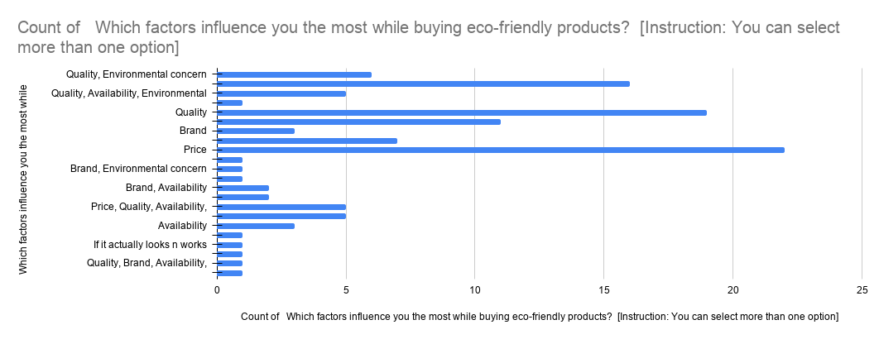
3/24/2026 | Preeti | Female | Unmarried | 18-25 | Graduation | Student | Below ₹20,000 | Yes | Products that do not harm the environment | Yes | Friends/Family | Often | No | Yes | Important | Agree | Yes | Agree | Neutral | Quality | Yes | No | Not Sure | Not sure | Never
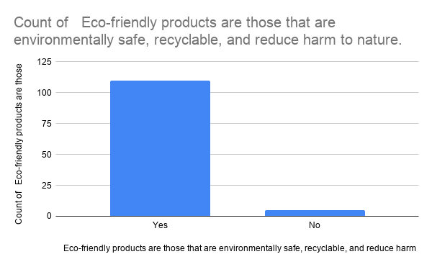
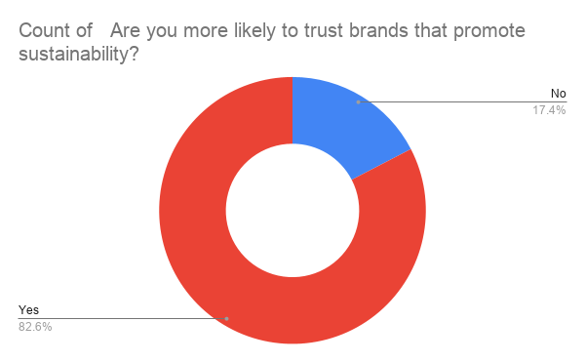
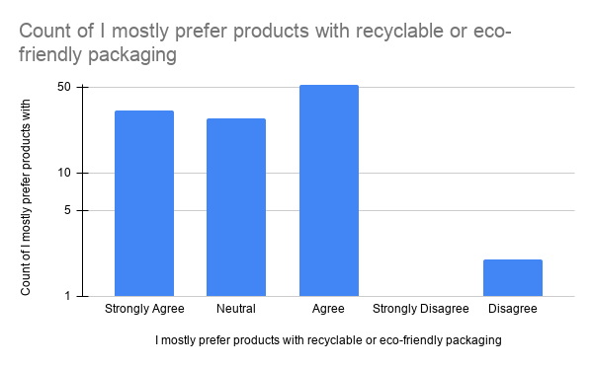
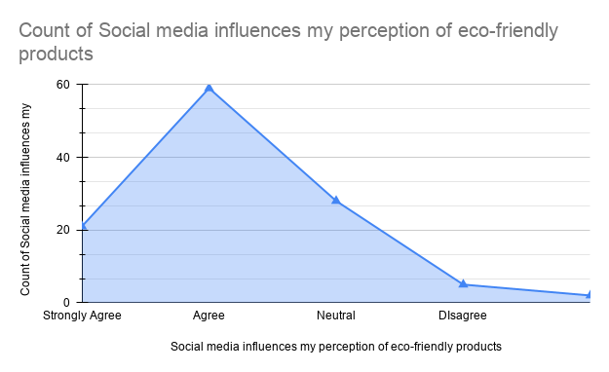
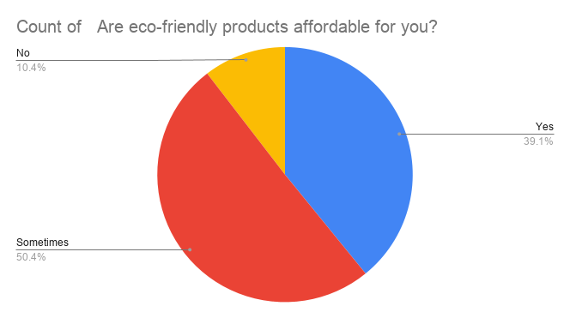
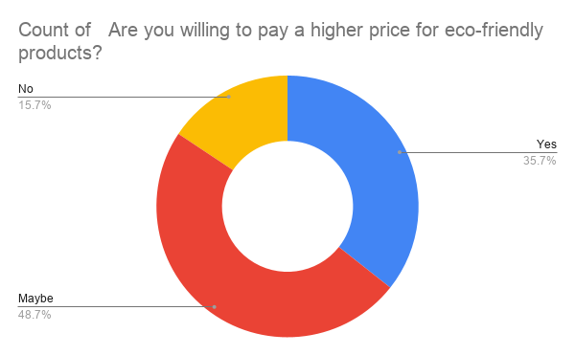
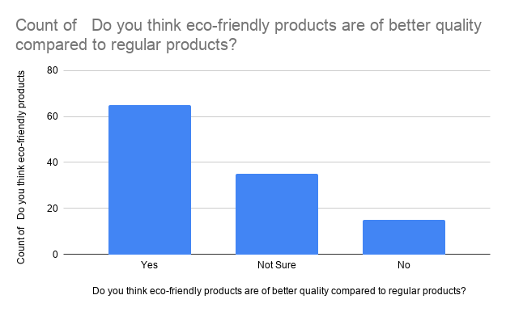
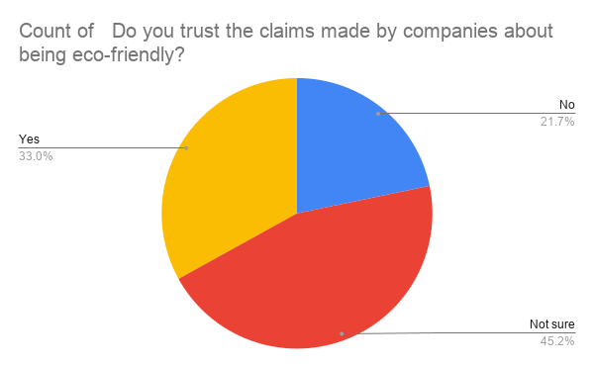
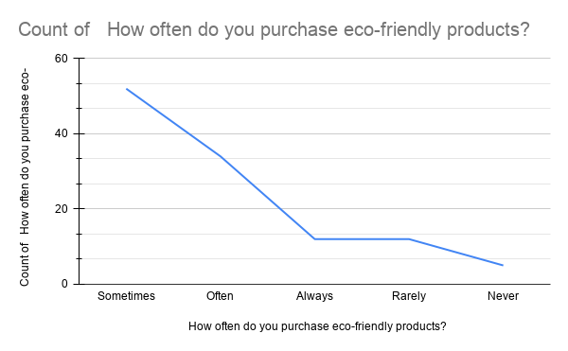
3/24/2026 |  | Female | Unmarried | 18-25 | Graduation | Student | Below ₹20,000 | Yes | Products that do not harm the environment, Products with recyclable materials | Yes | Educational Institutions | Rarely | Yes | Yes | Important | Agree | No | Agree | Agree | Quality, Environmental concern | Sometimes | Yes | Yes | Yes | Often | Create awareness among people and limit the cost and selling price
3/24/2026 | Sony | Male | Unmarried | 18-25 | Graduation | Student | Below ₹20,000 | Yes | Products that do not harm the environment, Products with recyclable materials | Yes | Educational Institutions | Often | Yes | No | Very Important | Neutral | Yes | Strongly Agree | Neutral | Environmental concern | Sometimes | Yes | Yes | Yes | Always | Optimum utilisation of available resources!
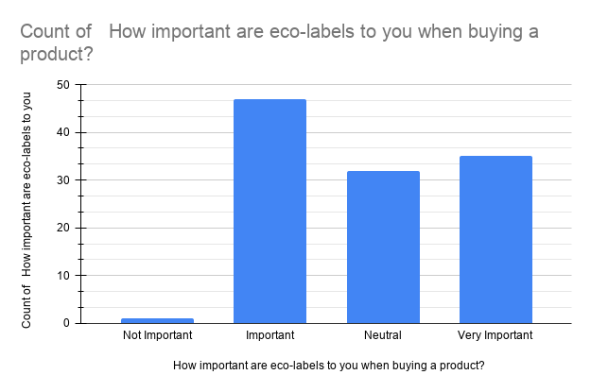
3/24/2026 | Arjun Ramasubramanian | Male | Unmarried | 18-25 | Graduation | Student | Below ₹20,000 | Yes | Products that do not harm the environment, Products with recyclable materials | Yes | Friends/Family | Often | Yes | No | Neutral | Agree | No | Agree | Neutral | Price, Quality, Environmental concern | Yes | Yes | Not Sure | No | Often
3/24/2026 | Vaishnavi | Female | Unmarried | 18-25 | Graduation | Student | Below ₹20,000 | Yes | Products that do not harm the environment, Products with recyclable materials | Yes | Educational Institutions | Often | No | Yes | Neutral | Agree | Yes | Agree | Agree | Price, Quality, Environmental concern | Sometimes | Maybe | Yes | Not sure | Sometimes
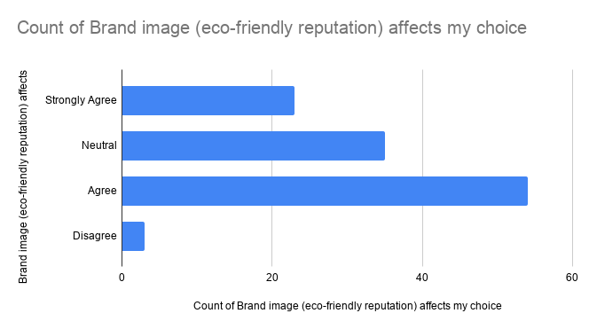
3/24/2026 | Sahithi | Female | Unmarried | 18-25 | Intermediate | Student | ₹50,000–₹1,00,000 | Yes | Products that do not harm the environment, Products with recyclable materials | Yes | Advertisements | Always | Yes | Yes | Neutral | Neutral | Yes | Strongly Agree | Agree | Price, Quality, Environmental concern | Yes | Yes | Yes | Yes | Sometimes | being vegan and cruelty free is very important to me
3/25/2026 | Revanth | Male | Unmarried | 18-25 | Graduation | Student | ₹20,000–₹50,000 | Yes | Products that do not harm the environment, Products with recyclable materials | Yes | Educational Institutions | Sometimes | Yes | Yes | Neutral | Neutral | Yes | Agree | Agree | Price, Quality, Environmental concern | Sometimes | Maybe | No | No | Rarely
3/25/2026 |  | Female | Unmarried | 18-25 | Post Graduation and above | Student | Below ₹20,000 | Yes | Products that do not harm the environment, Products with recyclable materials | Yes | Educational Institutions | Sometimes | Yes | Yes | Neutral | Agree | Yes | Neutral | DIsagree | Price, Quality, Availability | Sometimes | Maybe | Not Sure | Not sure | Sometimes
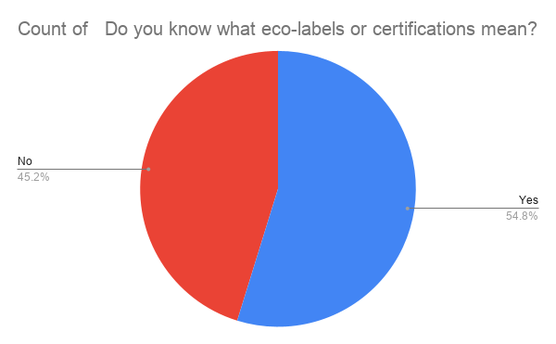
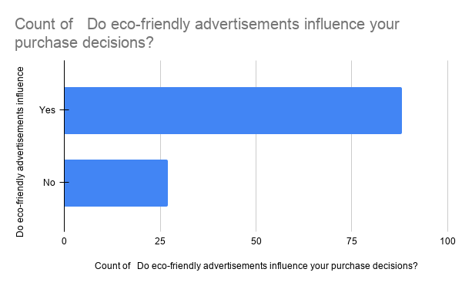
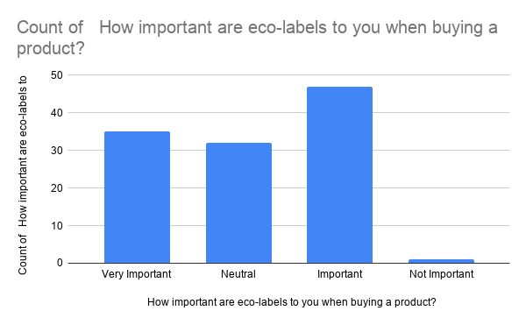
3/25/2026 | Raechal mary paul | Female | Unmarried | 18-25 | Graduation | Student | Below ₹20,000 | Yes | Products that do not harm the environment, Products with recyclable materials | Yes | All of the above | Often | Yes | Yes | Important | Agree | Yes | Strongly Agree | Agree | Price, Quality, Environmental concern | Sometimes | No | Not Sure | Not sure | Sometimes
3/25/2026 |  | Male | Unmarried | 18-25 | Graduation | Student | Below ₹20,000 | Yes | Products that do not harm the environment, Products with recyclable materials | Yes | Friends/Family | Often | No | No | Neutral | Agree | Yes | Strongly Agree | Agree | Price, Quality, Brand, Availability, Environmental concern | Sometimes | Yes | Yes | Not sure | Sometimes
3/25/2026 |  | Female | Unmarried | 18-25 | Intermediate | Student | ₹20,000–₹50,000 | Yes | Products that do not harm the environment, Products that are expensive, Products with recyclable materials, Products of good quality | Yes | Social Media | Rarely | No | No | Neutral | Neutral | Yes | Agree | Agree | Price, Quality, Brand, Availability, Environmental concern | No | Maybe | Yes | No | Sometimes
3/25/2026 | Vineela | Female | Unmarried | 18-25 | Intermediate | Student | Below ₹20,000 | Yes | Products that do not harm the environment, Products with recyclable materials | Yes | Social Media | Sometimes | Yes | No | Neutral | Neutral | Yes | Neutral | Agree | Price, Quality, Availability, Environmental concern | Sometimes | Maybe | Not Sure | Not sure | Sometimes
3/25/2026 |  | Female | Unmarried | 18-25 | Intermediate | Student | Below ₹20,000 | Yes | Products that do not harm the environment, Products with recyclable materials | Yes | Advertisements | Sometimes | Yes | Yes | Important | Agree | Yes | Neutral | Neutral | Price, Quality, Availability, Environmental concern | Sometimes | Maybe | Yes | Not sure | Sometimes
3/25/2026 | G.Sathvika | Female | Unmarried | 18-25 | Graduation | Student | Below ₹20,000 | Yes | Products that do not harm the environment, Products of good quality | Yes | Social Media | Sometimes | No | Yes | Important | Agree | Yes | Agree | Agree | Quality, Brand, Environmental concern | Sometimes | Maybe | Not Sure | Not sure | Sometimes | Product life cycle
3/25/2026 | Pooja | Female | Unmarried | 18-25 | Graduation | Student | Below ₹20,000 | Yes | Products that do not harm the environment, Products that are expensive, Products with recyclable materials, Products of good quality | Yes | Educational Institutions | Sometimes | Yes | Yes | Neutral | Neutral | Yes | Neutral | Agree | Price, Quality, Brand, Availability, Environmental concern | Sometimes | No | Not Sure | Not sure | Rarely
3/25/2026 | Risha | Female | Unmarried | 18-25 | Graduation | Student | Below ₹20,000 | Yes | Products that do not harm the environment, Products with recyclable materials, Products of good quality | Yes | Educational Institutions | Sometimes | Yes | Yes | Very Important | Neutral | Yes | Agree | Agree | Price | Sometimes | Maybe | Not Sure | No | Rarely | be genuine
3/25/2026 | Jananya | Female | Unmarried | 18-25 | Graduation | Student | Below ₹20,000 | Yes | Products that do not harm the environment, Products with recyclable materials | Yes | Social Media | Often | Yes | Yes | Important | Agree | Yes | Agree | Agree | Environmental concern | Sometimes | No | Yes | Not sure | Rarely | Make the products budget friendly
3/25/2026 | B.Tejashwini | Female | Unmarried | 18-25 | Graduation | Student | Below ₹20,000 | Yes | Products that are expensive | Yes | Social Media | Sometimes | Yes | Yes | Neutral | Neutral | Yes | Neutral | Neutral | Quality | Yes | Maybe | Not Sure | Yes | Sometimes | No
3/25/2026 | Endravath ashwini | Female | Unmarried | 18-25 | Graduation | Student | Below ₹20,000 | Yes | Products that do not harm the environment, Products with recyclable materials, Products of good quality | Yes | Educational Institutions | Often | Yes | Yes | Very Important | Agree | Yes | Strongly Agree | Agree | Price, Quality, Environmental concern | Yes | Maybe | Yes | Yes | Often
3/25/2026 |  | Female | Unmarried | 18-25 | Post Graduation and above | Unemployed | Below ₹20,000 | Yes | Products that do not harm the environment, Products with recyclable materials | Yes | Educational Institutions | Sometimes | Yes | Yes | Very Important | Strongly Agree | Yes | Strongly Agree | Strongly Agree | Price, Quality, Environmental concern | Sometimes | Maybe | Not Sure | Not sure | Often
3/25/2026 | Gifty Samuel | Female | Unmarried | 18-25 | Graduation | Student | Below ₹20,000 | Yes | Products that do not harm the environment, Products that are expensive, Products with recyclable materials | Yes | Educational Institutions | Often | No | Yes | Important | Neutral | Yes | Agree | Neutral | Price, Quality, Availability, Environmental concern | Sometimes | Maybe | Not Sure | Not sure | Sometimes | None
3/25/2026 | Firdous | Female | Unmarried | 18-25 | Graduation | Student | Below ₹20,000 | Yes | Products that do not harm the environment | Yes | Educational Institutions | Sometimes | No | Yes | Neutral | Agree | Yes | Neutral | Neutral | Quality | Sometimes | Maybe | Yes | Not sure | Sometimes | Advertisement
3/25/2026 |  | Female | Unmarried | 18-25 | Graduation | Student | Below ₹20,000 | Yes | Products that do not harm the environment, Products with recyclable materials, Products of good quality | Yes | Educational Institutions | Sometimes | No | Yes | Important | Agree | Yes | Strongly Agree | Neutral | Quality, Availability, Environmental concern | Sometimes | Yes | Yes | Not sure | Often
3/25/2026 | Naveena | Female | Unmarried | 18-25 | Graduation | Student | Below ₹20,000 | Yes | Products that do not harm the environment, Products of good quality | Yes | Friends/Family | Rarely | No | No | Important | Agree | No | Agree | Neutral | Quality | Sometimes | Maybe | Not Sure | Yes | Often
3/25/2026 | Nithin | Male | Unmarried | 18-25 | Graduation | Student | Below ₹20,000 | Yes | Not Sure | Yes | Friends/Family | Always | Yes | No | Very Important | Agree | No | Neutral | Strongly Agree | Price | Sometimes | Maybe | Not Sure | Not sure | Often
3/25/2026 | Chinni | Female | Unmarried | 18-25 | Intermediate | Student | Below ₹20,000 | Maybe | Products that are expensive | Yes | Friends/Family | Often | Yes | Yes | Important | Neutral | Yes | Neutral | Agree | Price | Sometimes | Maybe | Not Sure | Not sure | Sometimes
3/25/2026 | Seetha | Female | Unmarried | 18-25 | Intermediate | Student | Below ₹20,000 | Maybe | Products that are expensive | Yes | Advertisements | Always | Yes | Yes | Important | Neutral | Yes | Neutral | Agree | Brand | Yes | Maybe | Not Sure | Not sure | Never
3/25/2026 |  | Female | Unmarried | 18-25 | Graduation | Student | Below ₹20,000 | Yes | Products that do not harm the environment, Products with recyclable materials | Yes | Social Media | Often | Yes | Yes | Very Important | Neutral | Yes | Agree | Agree | Quality | Yes | Yes | Yes | Yes | Often
3/25/2026 |  | Female | Unmarried | 18-25 | Graduation | Student | Below ₹20,000 | Yes | Products that do not harm the environment, Products with recyclable materials | Yes | I don't know. I am simply aware since a very long time. | Sometimes | Yes | Yes | Important | Agree | Yes | Agree | Strongly Disagree | Price, Quality, Availability, Environmental concern | Sometimes | Maybe | Yes | Not sure | Sometimes | NA
3/25/2026 | Fantaaa | Others | Widower | 50 and above | Illiterate | Begger | Below ₹20,000 | No | Not Sure | No | Roblox | Never | No | No | Not Important | Neutral | No | Neutral | Neutral | Price | No | No | No | No | Never | Make More tik toks
3/26/2026 | Emma | Female | Unmarried | 18-25 | Graduation | Student | Above ₹1,00,000 | Yes | Not Sure | No | Vchat | Never | Yes | No | Neutral | Neutral | No | Strongly Disagree | Strongly Disagree | If it actually looks n works | Sometimes | No | Not Sure | No | Sometimes | Make more tik toks
3/26/2026 | KEERTHANA | Female | Unmarried | 18-25 | Graduation | Student | Below ₹20,000 | Yes | Products that do not harm the environment | Yes | Educational Institutions | Rarely | Yes | No | Important | Disagree | Yes | Disagree | Neutral | Environmental concern | Yes | Yes | Yes | Yes | Sometimes | No
3/27/2026 | S | Female | Unmarried | 18-25 | Intermediate | Student | Below ₹20,000 | Yes | Products that do not harm the environment, Products with recyclable materials | Yes | Social Media | Sometimes | No | Yes | Important | Agree | Yes | Agree | Agree | Price, Quality, Environmental concern | Sometimes | Maybe | No | Not sure | Sometimes
3/27/2026 | T.Nikeetha | Female | Unmarried | Below 18 | Graduation | Student | Below ₹20,000 | No | Products with recyclable materials | Yes | Friends/Family | Often | Yes | Yes | Important | Agree | Yes | Neutral | Strongly Agree | Brand | No | Yes | No | Not sure | Often
3/27/2026 | Ankitha | Female | Unmarried | 18-25 | Graduation | Student | Below ₹20,000 | No | Not Sure | Yes | Social Media | Often | No | Yes | Important | Neutral | Yes | Agree | Neutral | Quality | Sometimes | Yes | No | Yes | Sometimes | No
3/27/2026 | Harshith | Male | Unmarried | 18-25 | Graduation | Student | Below ₹20,000 | Yes | Products that do not harm the environment, Products with recyclable materials | Yes | Educational Institutions | Rarely | No | Yes | Important | Strongly Agree | Yes | Neutral | Neutral | Price, Brand, Environmental concern | Sometimes | Maybe | Yes | Yes | Sometimes | Show people the environment damage they can prevent by buying your product
3/28/2026 | Shreya Dash | Female | Unmarried | 18-25 | Graduation | Student | Below ₹20,000 | Yes | Products that do not harm the environment, Products with recyclable materials, Products of good quality | Yes | Educational Institutions | Sometimes | Yes | Yes | Important | Agree | Yes | Strongly Agree | DIsagree | Quality, Brand, Availability, Environmental concern | Sometimes | Maybe | Yes | Yes | Often
3/28/2026 | G.Bharath | Male | Unmarried | 18-25 | Graduation | Student | Below ₹20,000 | Yes | Products that do not harm the environment | Yes | Social Media | Always | No | No | Important | Agree | Yes | Strongly Agree | Agree | Quality | Yes | Yes | Yes | Not sure | Rarely | No suggestions to tell
3/28/2026 | A.Sindhu | Female | Unmarried | 18-25 | Intermediate | Student | Below ₹20,000 | No | Products that do not harm the environment | Yes | Advertisements | Often | Yes | Yes | Neutral | Neutral | Yes | Neutral | Agree | Price, Quality, Environmental concern | Sometimes | Maybe | Not Sure | Yes | Sometimes | Nothing
3/29/2026 |  | Female | Unmarried | 18-25 | Graduation | Student | Below ₹20,000 | Maybe | Products that do not harm the environment, Products with recyclable materials | Yes | Friends/Family | Rarely | No | Yes | Neutral | Agree | No | Agree | Agree | Quality, Environmental concern | Sometimes | Maybe | Not Sure | Not sure | Rarely
3/29/2026 |  | Female | Unmarried | Below 18 | Graduation | Student | Below ₹20,000 | Yes | Products that do not harm the environment | Yes | Social Media | Sometimes | Yes | Yes | Important | Neutral | Yes | Neutral | Neutral | Price | Yes | Yes | Yes | No | Sometimes
3/29/2026 | Radha | Female | Unmarried | 18-25 | Graduation | Student | Below ₹20,000 | No | Products of good quality | Yes | Friends/Family | Never | No | No | Very Important | Agree | Yes | Agree | Agree | Availability | Sometimes | No | Yes | No | Often | Good
3/29/2026 |  | Female | Unmarried | 18-25 | Intermediate | Student | Below ₹20,000 | Maybe | Products that do not harm the environment | Yes | Friends/Family | Never | No | Yes | Neutral | Neutral | No | Neutral | Neutral | Price, Quality, Environmental concern | Sometimes | Maybe | Not Sure | No | Rarely
3/29/2026 | Varshith Reddy | Male | Married | 18-25 | Graduation | Business | ₹50,000–₹1,00,000 | Yes | Products that do not harm the environment | Yes | Friends/Family | Always | Yes | Yes | Very Important | Agree | Yes | Agree | Agree | Price | Yes | No | No | Yes | Sometimes | Make availablity in chepa Prices
3/29/2026 | M.Pranay Kumar | Male | Unmarried | 18-25 | Illiterate | Student | Below ₹20,000 | Yes | Products that are expensive | Yes | Social Media | Always | Yes | Yes | Very Important | Strongly Agree | Yes | Strongly Agree | Strongly Agree | Price | Yes | Yes | Yes | Yes | Always
3/29/2026 | Pranay Kumar | Male | Unmarried | 18-25 | Illiterate | Student | Below ₹20,000 | Yes | Products that do not harm the environment | Yes | Social Media | Always | Yes | Yes | Very Important | Strongly Agree | Yes | Strongly Agree | Strongly Agree | Price | Yes | Yes | Yes | Yes | Always
3/29/2026 | Pranay Kumar | Male | Unmarried | 18-25 | Illiterate | Student | Below ₹20,000 | Yes | Products that do not harm the environment | Yes | Social Media | Always | Yes | Yes | Very Important | Strongly Agree | Yes | Strongly Agree | Strongly Agree | Price | Yes | Yes | Yes | Yes | Always
3/29/2026 |  | Female | Unmarried | 18-25 | Upto SSC | Student | Below ₹20,000 | Yes | Products that do not harm the environment | No | Advertisements | Always | Yes | Yes | Very Important | Neutral | No | Agree | Strongly Agree | Price | Yes | Yes | Yes | Yes | Never
3/29/2026 |  | Female | Unmarried | Below 18 | Illiterate | Homemaker | ₹20,000–₹50,000 | Yes | Products that are expensive | Yes | Friends/Family | Often | No | Yes | Important | Strongly Agree | Yes | Disagree | DIsagree | Price | Yes | Yes | Not Sure | Not sure | Never
3/29/2026 | Nithin | Male | Unmarried | 18-25 | Graduation | Student | Below ₹20,000 | Maybe | Products that are expensive | No | Social Media | Often | No | No | Important | Agree | No | Agree | Neutral | Availability | Yes | No | Yes | Yes | Often | ..
3/29/2026 | Nazia | Female | Married | 18-25 | Upto SSC | Private Sector Employee | ₹20,000–₹50,000 | Yes | Products with recyclable materials | No | Social Media | Often | No | Yes | Important | Neutral | Yes | Agree | Agree | Quality | Yes | Yes | Yes | Not sure | Sometimes
3/29/2026 | Chandana | Female | Unmarried | 18-25 | Graduation | Student | Below ₹20,000 | Yes | Products that do not harm the environment | Yes | Social Media | Often | Yes | Yes | Important | Agree | No | Agree | Neutral | Quality | Yes | No | No | Yes | Often
3/29/2026 | Shalini | Female | Unmarried | 18-25 | Intermediate | Student | Below ₹20,000 | Yes | Products that do not harm the environment | Yes | Friends/Family | Rarely | Yes | Yes | Very Important | Strongly Agree | Yes | Strongly Agree | Strongly Agree | Price | Yes | Yes | Yes | Yes | Sometimes
3/29/2026 |  | Female | Unmarried | 18-25 | Graduation | Student | Below ₹20,000 | Yes | Products that do not harm the environment | Yes | Social Media | Sometimes | Yes | Yes | Neutral | Neutral | Yes | Neutral | Agree | Quality | Yes | No | Yes | Yes | Sometimes
3/29/2026 | Madhavi | Female | Unmarried | 18-25 | Graduation | Student | Below ₹20,000 | No | Products that are expensive, Products of good quality | Yes | Social Media | Sometimes | No | No | Neutral | Neutral | Yes | Agree | Agree | Price | No | Yes | No | Yes | Sometimes | Provide best quality products
3/29/2026 | Saipriya | Female | Unmarried | 18-25 | Graduation | Student | Below ₹20,000 | Yes | Products that do not harm the environment | Yes | Educational Institutions | Sometimes | No | Yes | Very Important | Agree | Yes | Strongly Agree | Agree | Quality | Yes | No | Yes | Yes | Always
3/29/2026 | Maheshwari | Female | Unmarried | 18-25 | Graduation | Student | Below ₹20,000 | Yes | Products with recyclable materials, Products of good quality | Yes | Educational Institutions | Often | Yes | Yes | Very Important | Agree | Yes | Strongly Agree | Strongly Agree | Quality, Availability | Sometimes | Maybe | Yes | Not sure | Sometimes | Affordable prices
3/29/2026 | Manasa | Female | Unmarried | 18-25 | Graduation | Student | Below ₹20,000 | Yes | Products that do not harm the environment, Products with recyclable materials | Yes | Educational Institutions | Often | No | Yes | Important | Strongly Agree | Yes | Agree | Neutral | Quality, Availability, Environmental concern | Yes | Maybe | Yes | Not sure | Sometimes
3/29/2026 | M.Vaishnavi | Female | Unmarried | 18-25 | Graduation | Student | Below ₹20,000 | Yes | Products that do not harm the environment, Products of good quality | Yes | Social Media | Sometimes | Yes | Yes | Important | Agree | Yes | Agree | Agree | Price | Yes | Yes | Yes | Yes | Often | Digital Marketing
3/29/2026 | Sneha | Female | Unmarried | 18-25 | Upto SSC | Student | Below ₹20,000 | Yes | Products with recyclable materials | Yes | Friends/Family | Sometimes | No | Yes | Important | Agree | Yes | Agree | Agree | Quality, Environmental concern | Sometimes | Maybe | Not Sure | Not sure | Sometimes
3/29/2026 | Sai prasanna | Female | Unmarried | 18-25 | Graduation | Student | Below ₹20,000 | Yes | Products that do not harm the environment, Products that are expensive | Yes | Friends/Family | Always | Yes | Yes | Important | Agree | Yes | Strongly Agree | Agree | Price, Quality | Yes | Yes | Yes | Yes | Always
3/29/2026 | Rohini | Female | Unmarried | 18-25 | Graduation | Student | Below ₹20,000 | Yes | Products that do not harm the environment | Yes | Social Media | Sometimes | No | No | Neutral | Neutral | No | Neutral | Neutral | Brand, Availability | Sometimes | Maybe | Not Sure | Not sure | Sometimes | Dont harm environment
3/30/2026 | Rama | Female | Married | 25-30 | Upto SSC | Homemaker | Below ₹20,000 | Yes | Products that do not harm the environment | Yes | Friends/Family | Often | No | Yes | Very Important | Agree | Yes | Strongly Agree | Neutral | Price | Yes | No | No | No | Sometimes | Water storage
3/30/2026 | Anu | Female | Unmarried | Below 18 | Post Graduation and above | Student | Below ₹20,000 | Yes | Not Sure | Yes | Social Media | Sometimes | No | No | Neutral | Agree | Yes | Neutral | Agree | Price | Yes | Yes | Yes | No | Rarely | Nothing
3/30/2026 |  | Female | Unmarried | Below 18 | Upto SSC | Student | Below ₹20,000 | Yes | Products that do not harm the environment | Yes | Social Media | Sometimes | No | No | Important | Agree | Yes | Agree | Agree | Price, Quality | No | Maybe | No | No | Often
3/30/2026 |  | Female | Unmarried | 18-25 | Upto SSC | Student | ₹20,000–₹50,000 | Yes | Products that do not harm the environment | Yes | Friends/Family | Sometimes | Yes | Yes | Neutral | Agree | Yes | Agree | Agree | Quality | No | Yes | No | No | Often
3/30/2026 |  | Male | Unmarried | 18-25 | Intermediate | Student | Below ₹20,000 | Yes | Products that do not harm the environment, Products with recyclable materials | Yes | Educational Institutions | Sometimes | No | No | Important | Agree | No | Agree | Neutral | Price, Quality | Sometimes | Maybe | No | No | Often

